US19 Sprint 5
 | Test Scenarios for SimpCity
 | Test Cases Creation |  |  | System Testing (TDA) |  |  | User Acceptance Testing |  | Team
 | User Stories: | US19 - As a user, I want to be able to see the computation of the final score so that I can understand how the points are calculated. |  | Version Control: | V1 |  | Version Control: | V1 | Scrum Master: | Megan Png
 | Created By: | Hui Ying |  | Tester: | Hui Ying |  | User: | Mr Low | Tech Lead: | Claris
 | Status: | Done |  | Status: | Done |  | Status: | Done | QA: | Hui Ying
 | Dated as of: | 13-Feb-22 |  | Test Date: | 14-Feb-22 |  | UAT Date: | 14-Feb-22 | Developer: | Amanda Chan
 | Reviwed By: |  |  | Reviwed By: |  |  | Reviwed By:
 | Tech Lead | Claris |  | Scrum Master | Megan |  | Scrum Master: | Megan
 |  |  |  | Tech Lead | Claris |  | Tech Lead: | Claris
 |  |  |  |  |  |  | QA: | Hui Ying
 |  |  |  |  |  |  | Developer: | Amanda

S/NO | Test Scenario | Test Scenario Description | Test Values | Expected Outcome | Boundary? Equivalence? | Functional? Non-Functional? | Pass/ Fail | Actual Outcome | Test Result (Pass / Fail) | Remarks
1 | The user selects either option "1" or "2" in the configuration menu to build a building in the 4x4 game grid | 1. The user and selects either option "1" or "2" in the configuration menu to build a building when the message "Your Choice? is prompted. 2. The message "Build Where?" is prompted 3. The user enters a location e.g [B2] that is not orthogonally adjacent to the existing building which is at e.g[C1] 4. A message should be prompted to the users to verfiy the location that the user have entered. 5. The location of the building is being verified by the user 6. The user see the building name appear in the grid location the user have verified. | Before:The user is at their 16th round of game
 |  |  | 1. Your Choice? 1 2. Confirm using SHP? [Y/N]: y Building confirmed 3. Build where? a2 4. Confirm using BCH on location a2? [Y/N]: 5. Position confirmed 6. The user see the building name appear in the grid location the user have verified. After: Computation of final score is displayed | After: Computation of final score is displayed | Boundary | Functional | Pass | 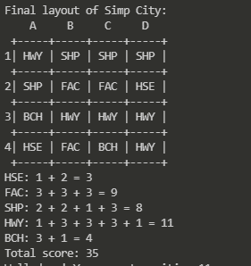 | Pass
2 | The users select options that are within the configuration menu that ranges from option "0" or "3" to "5" but no the build a building selection. | 1. The user selects either option "option "0" or "3" to "5 in the configuration menu to build a building when the message "Your Choice? is prompted. | 1. Your Choice? 3 After: The program will process in accordance | The program will process in accordance. For example, the remaining buildings will be displayed since the users selects the option "3" in the configuration menu |  | Functional | Pass | 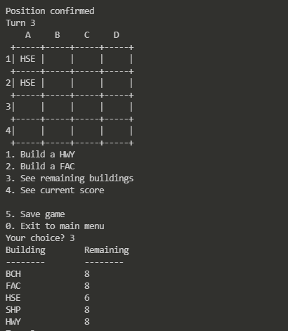 | Pass
3 | The users select options that are not within the configuration menu but is an numeric integer | 1. The users select options that are not within the configuration menu but is a numeric integer when the message "Your Choice? is prompted. | 1. Your Choice? 7 After: An error message will be displayed to notify and remind the users that an invalid was entered. The message "Your Choice? will be prompted again. | An error message will be displayed to notify and remind the users that an invalid was entered. The message "Your Choice? will be prompted again. |  | Functional | Fail | 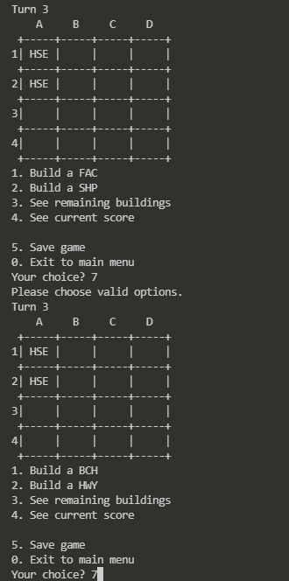 | Pass
4 | The users select options that are not within the configuration menu but is not an numeric integer | 1. The users select options that are not within the configuration menu but is not a numeric integer when the message "Your Choice? is prompted. | 1. Your Choice? a After: An error message will be displayed to notify and remind the users that an invalid was entered. The message "Your Choice? will be prompted again. | An error message will be displayed to notify and remind the users that an invalid was entered. The message "Your Choice? will be prompted again. |  | Functional | Fail | 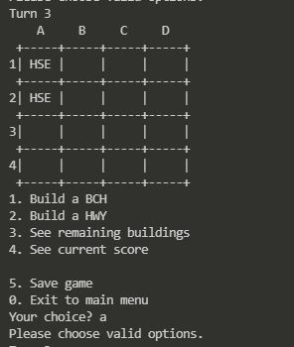 | Pass

